DemandData
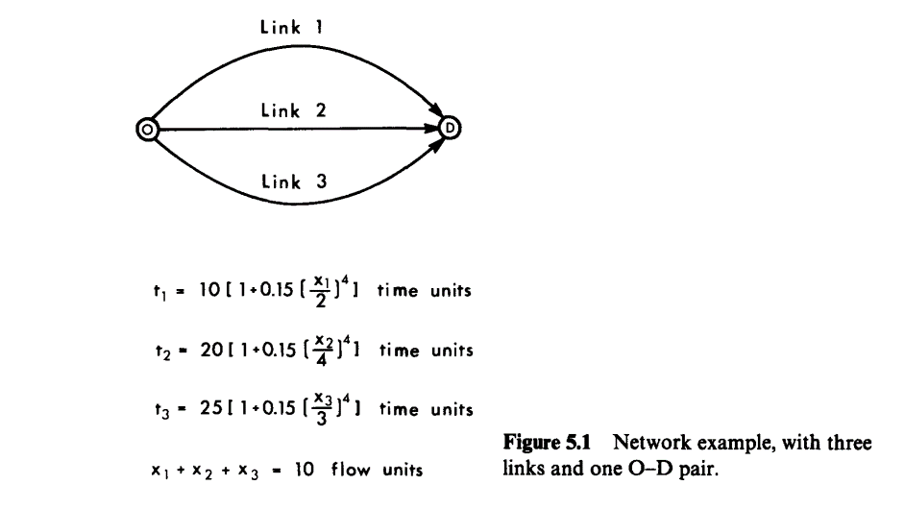

Orign | Dest | Demand
0 | 1 | 10

